Introduction
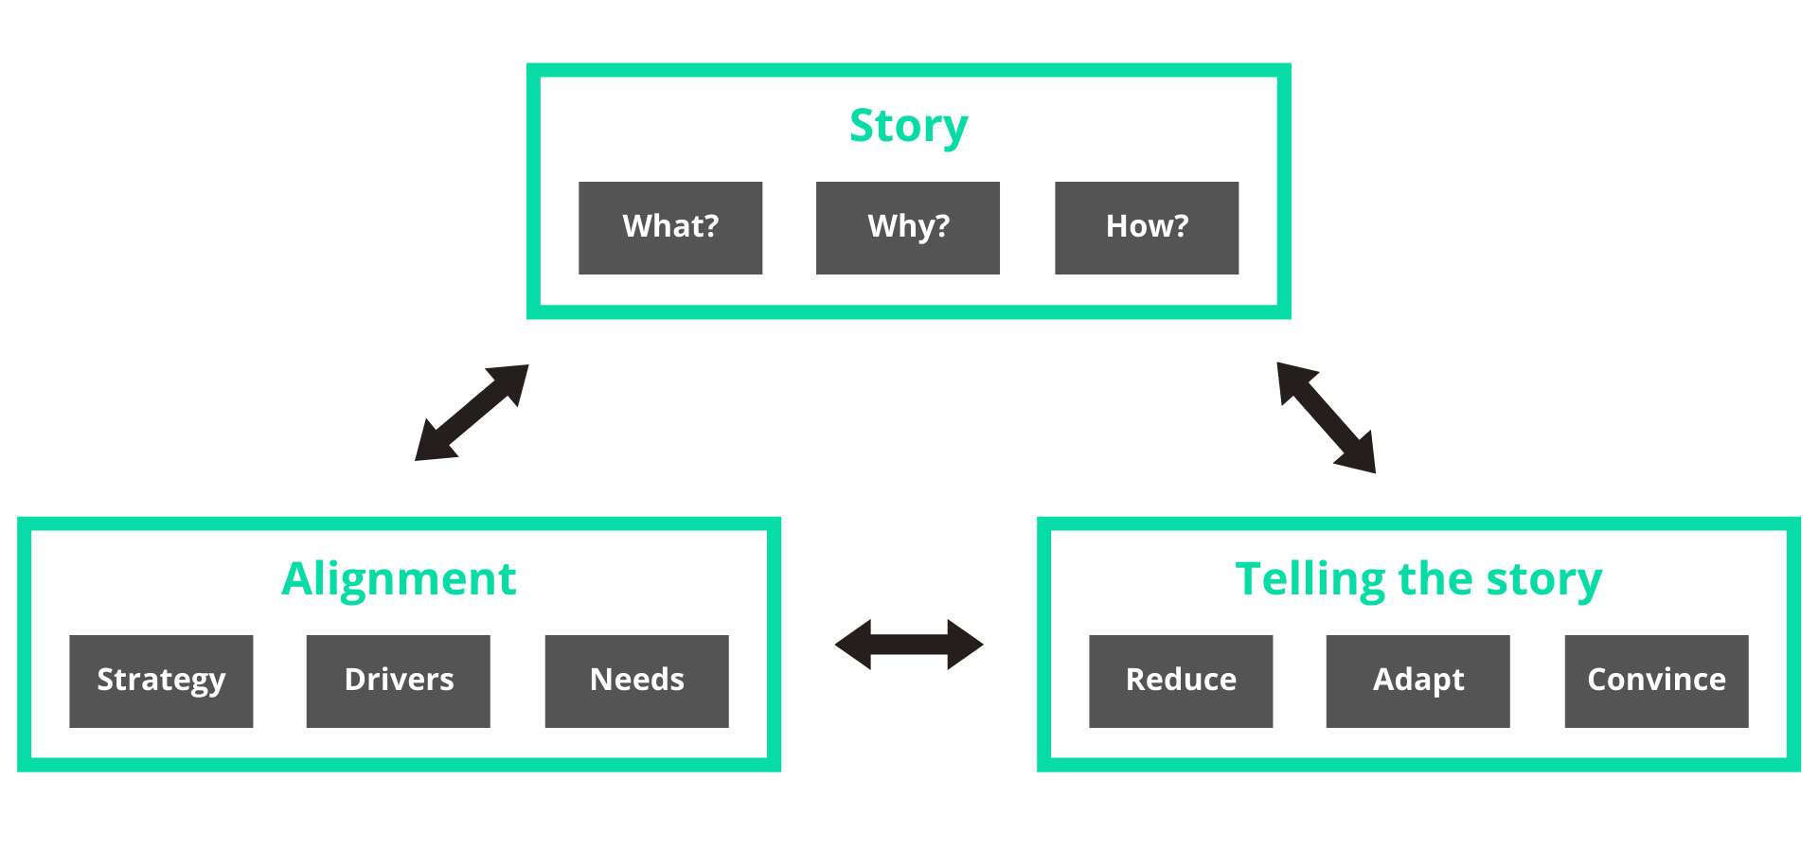
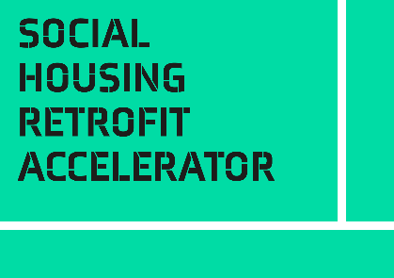
Introduction
This self-assessment questionnaire is part of the gaining Senior Management Buy-In Toolkit.
Getting senior management buy-in is about more than having a good business case. The facts and projections won’t carry a project on their own. You must tell the story in a way that connects with the various stakeholders, addresses their needs and wants, and is powerfully persuasive.
This toolkit will help you develop a clear and coherent story for your project and use it to gain the understanding and support of key decision-makers and resource managers.
This self-assessment questionnaire helps you understand your level of understanding when it comes to getting Senior Management Buy-In. Where you are strong, where you are weak, and where you have gaps that you should fill.
There is one question for nine elements that you score from 0 - 5.
Recommended use:
• Read the Introduction and Framework sections of the Senior Management Buy-In toolkit to understand the framework
• Review your readiness in each area, scoring yourself 0-5 for each question
• For each question, example descriptions are given for low (0-1), medium (2-3), and high (4-5) readiness. Use these as markers to estimate where you are in your journey
• If you think you are at medium readiness/completeness, but weak and edging towards low, score yourself 2. If edging towards high, score yourself 3. And so on
• These are not absolute scores, you are looking for relative strengths and weaknesses. The example descriptions are there as a guide, not a checklist
• Your answers will be displayed on the radar diagram to the right on the next tab. The pattern will guide you to areas that need attention

Senior Buy-In Self-Assessment
Senior Management Buy-In Self-Assessment
 |  | Level Descriptions
Framework Section | Score 0-5 | Low: 0-1 | Medium: 2-3 | High: 4-5

Self-Assessment Results
Story - What? | 3 | The purpose, outcomes and benefits of the project are not yet clear. | We have a draft purpose outcomes and benefits, but these have not yet been agreed. | Purpose, outcome and benefits are clearly set out in the Business Case. They have been agreed and communicated.
Story - Why? | 2 | We have not yet made the connection between the project and the organisation's goals and needs. | We have a good argument why this project should be a priority, but this has not yet been communicated and accepted. | The project is understood and accepted as a key strategic priority.
Story - How? | 3 | We cannot yet explain how the project will be delivered. | There is a draft project plan, but it is not yet finalised and agreed. | The project plan is known in detail, agreed and communicated.
Alignment - Strategy | 5 | We have not tested the strategic alignment of the project. | We have identified how the project can support organisation objectives, but we have not yet communicated the alignment. | We understand how the project supports the organisation's strategic objectives, and we are actively using it to get support from stakeholders.
Alignment - Drivers | 4 | We have not explored potential external trends and drivers. | We have reviewed the obvious external trends and drivers and identified areas where the project could support the organisation's response. | We have completed an external scan of important trends and drivers, identified where this project can help, and are actively gaining support from senior management.
Alignment - Needs | 2 | We do not have a good understanding of the priorities, wants and needs of key leaders and their teams | We have gathered some information, but it is not complete. We can see connections between the project and the wants and needs of key individuals and teams, but we are not yet using them to get buy-in. | We have used stakeholder analysis or the value proposition canvas to map the wants and needs of key decision-makers and their teams. We can show the importance of the project to their objectives.
Telling the Story - Reduce | 1 | If asked to explain the project in 30 seconds we could not do it. | We have identified the key project information, but we are not yet reliably using it to tell the story. | We have reduced the project to its essentials. We can adjust to story to any required length and still make sure we get the key ideas across.
Telling the Story - Adapt | 2 | There is only one version of the story | We have different forms of the story to suit various audiences, but we are not sure which version will work for which listener. | We understand how to tell the story to audiences with different needs and ways of thinking. We can adapt the story on the fly to any audience.
Telling the Story - Convince | 1 | When we tell the story we are pushing the same key information to everyone. We do not listen. | We try to observe and listen to our audience to understand how well the story is being received. We try to be flexible. | We use active listening to engage the audience, and vary the words, music and dance to connect with them.

Actions to take

Mostly Low | Your story is not well developed, and you will struggle to communicate why it should be supported and get senior management buy-in. Follow the template and establish your story, align it with strategy, drivers and needs. Practice telling the story and polish it.
Mostly Medium | You are on the journey. Where you score yourself Low, use the additional resources in level 3 to improve your readiness and capability.
Mostly High | You are in good shape. You understand your story and how to sell it. Make sure that you can tell the story with confidence to anyone at any time. Keep listening, learning and adapting. And above all keep practising.

