Instructions
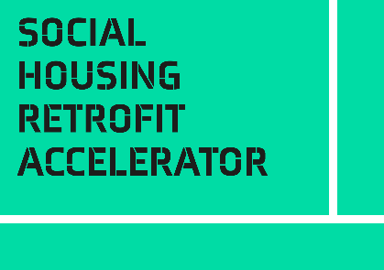
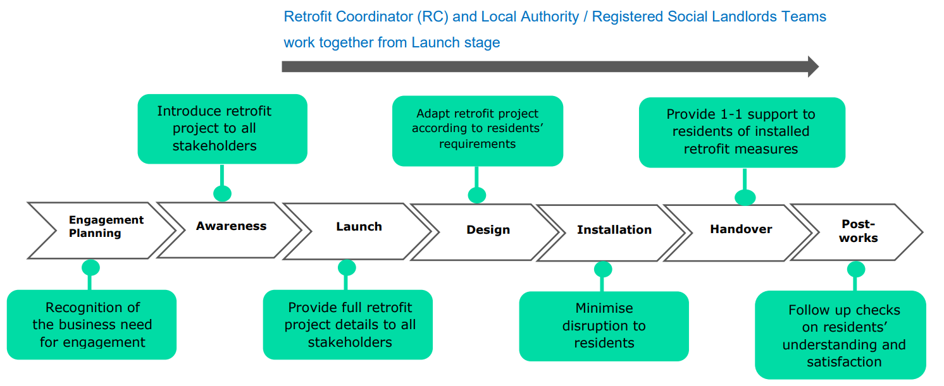
Introduction
This self-assessment questionnaire is part of the Resident Engagement Toolkit.
Developing and delivering a successful retrofit project requires a strong resident engagement plan. Well planned and effectively delivered resident engagement can help to:
Improve no or low access rates Reduce risk of long-term maintenance failures
Address residents' concerns Reduce reputational and financial risks
Comply with PAS 2035 requirements Save your organisation cost and time
Support residents in a tailored way Improve satisfaction of residents
This self-assessment questionnaire helps you understand what stage you have reached in understanding Resident Engagement. Where you are strong, where you are weak, and where you have gaps that you should fill.
There is one question for seven elements that you score from 0 - 5.
Recommended use:
• Read the Introduction and Framework sections of the Resident Engagement toolkit to understand the framework
• Review your readiness in each area, scoring yourself 0-5 for each question
• For each question, example descriptions are given for low (0-1), medium (2-3), and high (4-5) readiness. Use these as markers to estimate where you are in your journey
• If you think you are at medium readiness/completeness, but weak and edging towards low, score yourself 2. If edging towards high, score yourself 3. And so on
• These are not absolute scores, you are looking for relative strengths and weaknesses. The example descriptions are there as a guide, not a checklist
• Your answers will be displayed on the radar diagram to the right on the next tab. The pattern will guide you to areas that need attention

Self Assessment Questionnaire
Resident Engagement Self-Assessment Questionnaire
 |  | Level Descriptions
Framework Section | Your Score (1-5) | Low: 1-2 | Medium: 2-4 | High: 4-5
Self-Assessment Results
 | (overwrite example data with your score)
1. Engagement planning | 1 | Resident engagement has not been linked to organisational strategies and policies, or organisational strategies and policies not known. | Organisational strategies and policies identified. Preliminary mapping to these goals underway. Business need not yet finalised or agreed. | Resident engagement clearly supports organisational strategies and policies. Links identified and agreed with leadership. Resident engagement approved as a strategic priority.
2. Awareness | 2 | No awareness of retrofit project for residents, staff and/ or external stakeholders. | Some awareness within the organisation of retrofit project. Some participation in the design of the retrofit project from residents. | Full culture change has occurred where all residents, staff and/ or external stakeholders involved in the retrofit are aware of the project. Residents have been able to provide feedback on how to best engage with other residents on the retrofit project.
3. Project launch | 2 | Residents, staff and external stakeholders have little or no knowledge of the retrofit project plan. | Further work to be done on updating all on: • Retrofit plan actions • Retrofit plan timeline More work required to highlight all the benefits of the retrofit project to residents. | All have full details of the retrofit plan with knowledge on the benefits to residents. Residents have been able to provide feedback on how to best engage with other residents on the retrofit project.
4. Design | 3 | No site survey or installation plan has been created for retrofit works in home Site survey or installation plan has been created for retrofit works without any input from the resident | More specific information is required for residents such as what measures will be installed and when Residents have had partial consultation on what retrofit measures are being installed | Residents are fully up to date with: - what measures will be installed during their retrofit - the timeline of installation All measures installed are suitable for their needs
5. Installation | 1 | Residents have not been kept up to date with what measures are being installed and when Little or no consideration has been given to residents to minimise inconvenience to them No joint up working has been planned with many contractors visiting and repeating same information Residents have not received any tailored energy advice related to retrofit works | Residents still require more precise information on the measures to be installed with timings Consideration has been given to minimising inconvenience for residents, but receiving some improvement feedback from residents Some joint up working between staff and contractors have been made, but could be improved Tailored energy advice related to retrofit works is underway | Residents have full knowledge of their installation plan Full efforts have been made by the contractors to keep a tidy working environment Joined up process between all staff and contractors has been planned and executed with no excess visits for residents Residents have received tailored energy advice related to retrofit works
6. Handover | 3 | Residents have no understanding of how the energy performance of their property has changed None or Non ‘resident friendly’ guidance has been explained or left with residents. They do not know who to contact if there is a problem in the future Internal teams and repairs/ maintenance contractors have no knowledge of the new systems installed | Residents have been given some information on the changed energy performance but do not understand Guidance on measures left still need to be made ‘resident friendly’ Internal teams and repairs/ maintenance contractors updates is underway | Residents have full understanding of the change to the energy performance to their home Full ‘resident friendly’ guidance on measures has been explained and left with residents with contact details of who to reach if a problem occurs All new system information has been provided to internal teams and repairs/ maintenance contractors
7. Post- works | 4 | No analysis of outcomes, or aftercare guidance is planned | Required post-occupancy evaluation surveys and aftercare guidance identified, but not yet provided Gaps in actions identified but plans to bridge gaps not yet in place | Outcomes and post-occupancy evaluation surveys have been monitored and analysed. Case studies of the retrofit plan have been produced Leasing team have full guidance information on measures to pass on to any new resident

Actions to take

Low | Read sections 3 and the additional resources where your current position is weak. Take all the actions you can to fill in the gaps. Try to bring your position at least up to medium in all areas to help develop your business case.
Medium | This may be OK for now. You won't have all the details from the beginning of the process. Ask yourself whether you are waiting for further information from another part of the business case, or if there are other decisions waiting on information here. Focus on those blocks where improving your answers will have the biggest impact on the quality of your business case story.
High | You are on top of things. No immediate action required, but continue to monitor for changes and impacts from other elements of the framework.

