Introduction
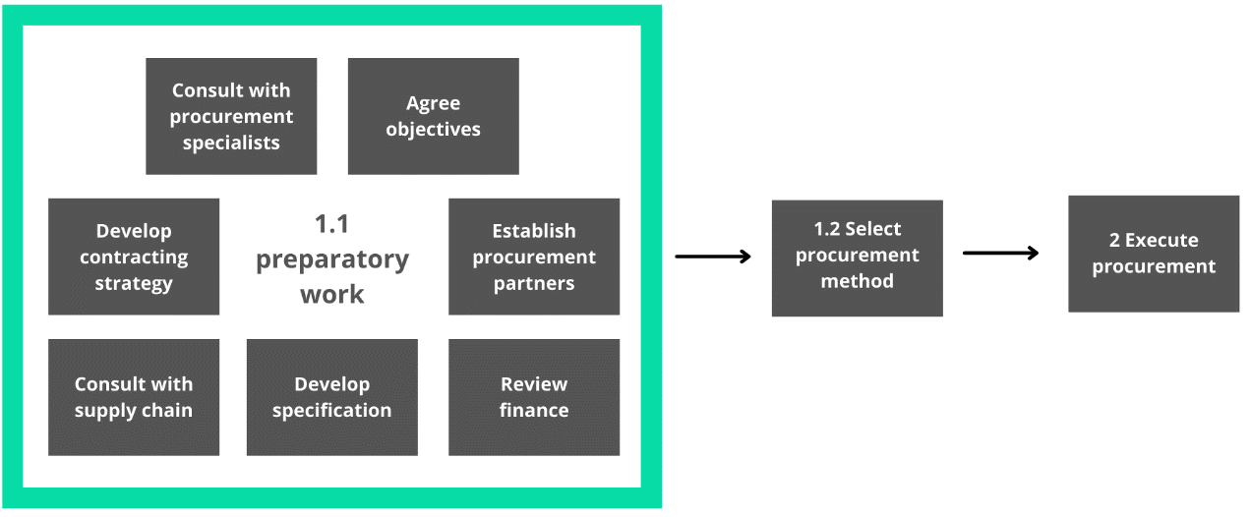
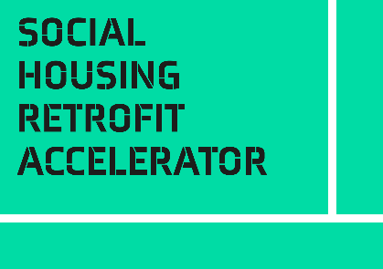
Introduction
This self-assessment questionnaire is part of the Procurement Toolkit.
Developing and delivering a successful retrofit project requires a sound, compliant and ethical method of procurement. This toolkit will provide details on what to consider for an effective procurement strategy for your retrofit projects. Different procurement options are presented and explained to help you choose the best procurement route for your project.
Who should use the toolkit?
The toolkit is designed to support the project leadership develop and execute a procurement strategy for retrofit programmes. Use the toolkit to facilitate conversations with technical, procurement and finance teams during the strategy development.
When should you use the toolkit?
Start using the toolkit as soon as you can in the project lifecycle. Do not leave it until you are ready to start procurement. What is possible in procurement can influence how you structure the whole project. You need to be discussing the project with your procurement team as soon as you have an idea what you need or intend to do.
This self-assessment questionnaire helps you understand the key areas of Procurement. Where you are strong, where you are weak, and where you have gaps that you should fill.
There is one question for seven elements that you score from 0 - 5.
Recommended use:
• Read the Introduction and Framework sections of Procurement Toolkit to understand the framework
• Review your readiness in each area, scoring yourself 0-5 for each question
• For each question, example descriptions are given for low (0-1), medium (2-3), and high (4-5) readiness. Use these as markers to estimate where you are in your journey
• If you think you are at medium readiness/completeness, but weak and edging towards low, score yourself 2. If edging towards high, score yourself 3. And so on
• These are not absolute scores, you are looking for relative strengths and weaknesses. The example descriptions are there as a guide, not a checklist
• Your answers will be displayed on the radar diagram to the right on the next tab. The pattern will guide you to areas that need attention

Procurement Self-Assessment
Procurement Case Self-Assessment
 |  | Level Descriptions
Framework Section | Score 0-5 | Low: 0-1 | Medium: 2-3 | High: 4-5
 | (overwrite example data with your score)
Self-Assessment Results
Procurement objectives | 3 | We have not set procurement objectives | We have drafted our procurement objectives and these are linked to the business case. We have started to consider values that can be delivered by the procurement, e.g. Social value and EDI benefits. | We have established retrofit objectives and values to be delivered by the procurement exercise. Objectives have been reviewed and shaped by wider stakeholders, such as supply chain, service users, and procurement specialists.
Procurement team consultation | 2 | The procurement team have not been notified about the project, or have not had a chance to feedback on the draft objectives. | We have started to engage with our procurement team and shared our objectives. We have made the procurement team aware of any special requirements, e.g. innovation, and the required timescales for the project. | We are working with the procurement team to establish which procurement routes is best suited for delivering the objectives. The procurement team have highlighted key risks and we are managing these, for example, timescales and resource required to manage the procurement process.
Supply chain consultation | 3 | We have not consulted with the supply chain. We have not consulted with Framework/DPS management organisations. | We have consulted with our existing partners, e.g. planned maintenance contractor, to understand their capacity and capability for delivering our retrofit ambitions. We have started to map the local supply chain and SMEs who can deliver retrofit. We have attended 'meet the supplier events' and spoken to neighbouring social landlords to learn about local supplier capacity. We have made contact and begun discussions with Framework and DPS organisations who operate in our local area. | We have outlined a list of potential suppliers and carried out soft market testing to review the deliverability and risks in our procurement objectives. We have found a Frameworks and DPSs which can deliver our procurement objectives. We understand the call off process, risks, costs, contracts, and specifications used by these frameworks/DPSs.
Procurement partners | 3 | We have not considered our options for a partnership approach to procurement. | We have spoken to our local energy hub, combined authority, local authority, or other social landlords operating in the local area to understand opportunities for procurement partnerships. | We have established partners to join for the procurement exercise and have developed the formal agreements and any necessary legal work to begin a joint procurement. Or, we have reviewed opportunities for procurement partners and do not require any partnerships for our procurement.
Finance | 4 | We have not consulted with our finance team on the procurement objectives. We do not know if the source of project finance, and any related T&Cs, impact our procurement options. | We have begun consultation with our finance team to make them aware of any special requirements of the project, e.g. funding requirements. We have reviewed the funding requirements and understand if/how this limits our procurement options, e.g. compliance with public procurement regulations. | We have developed our pricing strategy for the procurement, i.e. it is clear what we are asking suppliers to price. We have drafted a 'Tender pricing document'. We understand how the source of finance impacts our budget and procurement options.
Specification | 4 | We have not started to work on the specification. | We have started to review the project objectives and think about how we can create an outcome based specification. We have created a draft specification and invited stakeholders, i.e. service users, to review and feedback. | We have completed a draft outcome specification. It is linked to the project objectives and has been reviewed by various stakeholders who will be impacted.
Contract strategy | 2 | We have not considered what form of contract is most suitable for delivering the project outcomes. | We have reviewed contract options and are considering which type of contract is best suited to deliver our objectives. We have started to think about KPIs and how we will manage the contract. We would like to review our draft approach with the supply chain to understand deliverability, risks, and any pricing implications. | We have established a performance framework, i.e. KPIs, SLAs, contract behaviours, and delivery milestones. We have reviewed our contract strategy with the supply chain to understand risks and deliverability.

Actions to take

Mostly Low | You are not ready to execute procurement and your procurement strategy requires more work. * Engage with your procurement team to share your project and any special requirements. If you don't have a procurement team, review options for specialist support or review opportunities to partner with other organisations with more expertise. * Start to map the local supply chain, who is operating in your area and what partners are other neighbouring landlords using. *Get in touch with Framework and DPS management organisations operating in your area. Identify how can they support your organisation in developing your procurement strategy.
Mostly Medium | You are on the journey and your procurement strategy is starting to take shape. Where you score yourself Low, use the resources listed in Level 3 to improve your readiness and capability.
Mostly High | Your procurement strategy is well developed and you have consulted with your stakeholders. You have a good idea on which procurement route you will take and you are ready to execute procurement. No immediate action required, but use the additional resources to strengthen any questions you have scored Low.

