Introduction

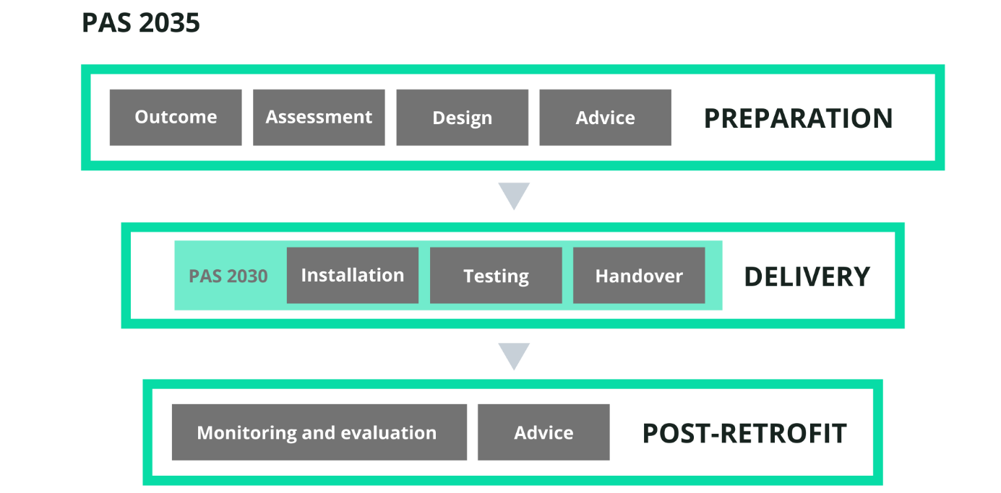
Introduction
This self-assessment questionnaire is part of the Introduction to PAS 2035 Toolkit.
PAS 2035 is a national standard for carrying out retrofit projects to ensure they deliver the intended outcomes, and avoid unintended consequences such as damp, mould, and rot.
All retrofit projects receiving public funding in England must comply with PAS 2035.
The toolkit will help you understand PAS 2035. What it covers, what the key processes are, and the benefits you will gain. It is not a definitive guide to how to use PAS 2035 in a project, but summarizes the key features and links to more advanced material. The framework below outlines the main areas the toolkit covers and how they link to different phases of retrofit projects.
This self-assessment questionnaire helps you understand what stage you have reached in understanding PAS 2035. Where you are strong, where you are weak, and where you have gaps that you should fill.
There is one question for nine elements that you score from 0 - 5.
Recommended use:
• Read the Introduction and Framework sections of the Introduction to PAS 2035 toolkit to understand the framework
• Review your readiness in each area, scoring yourself 0-5 for each question
• For each question, example descriptions are given for low (0-1), medium (2-3), and high (4-5) readiness. Use these as markers to estimate where you are in your journey
• If you think you are at medium readiness/completeness, but weak and edging towards low, score yourself 2. If edging towards high, score yourself 3. And so on
• These are not absolute scores, you are looking for relative strengths and weaknesses. The example descriptions are there as a guide, not a checklist
• Your answers will be displayed on the radar diagram to the right on the next tab. The pattern will guide you to areas that need attention

PAS 2035 Self-Assessment
Introduction to PAS 2035 Self-Assessment
 |  | Level Descriptions
Framework Section | Score 0-5 | Low: 0-1 | Medium: 2-3 | High: 4-5
 | (overwrite example data with your score)
Self-Assessment Results
Knowledge of PAS 2035 | 3 | No knowledge of PAS 2035. | We have access to the standard, but have not yet understood or implemented it. | We have experience of PAS 2035 and have integrated it into our operations.
Key team members | 2 | We do not have a plan to ensure the key roles of PAS 2035 are covered. | Reuirements understood, gaps indentified, and plans in place to recruit, train or outsource. | We can identify named individuals for all PAS 2035 roles.
Retrofit Coordinator | 3 | We do not yet have a plan to appoint a Retrofit Coordinator. | There is a plan to appoint a Retrofit Coordinator by recruitment, training of staff, or by outsourcing. | Qualified Retrofit Coordinator appointed and in post.
Target outcomes defined | 5 | No retrofit outcome defined. | Desired outcome identified and under discussion in the organisation. | A simple, clear statement of the desired outcome agreed with leadership.
Building condition data available | 4 | We have not investigated whether the building condition data is suitable for PAS 2035 calculations. | We have assessed our data and identified gaps and quality issues. There is a plan to get the data to the right standard. | Our building data is complete and accurate. We can carry out all the calculations required in Pas 2035.
Retrofit design | 2 | We have not yet reviewed and understood the PAS 2035 requiremetns for retrofit design. | We have reviewed and understood clause 9 of PAS 2035. We cannot yet meet all the requirements, but have a plan to bridge the gap. | We have experience in PAS 2035 compliant retrofit design.
Installers PAS 2030 compliant | 1 | PAS 2030 status of our suppliers and contractors not checked. | Suppliers and contractors reviewed for PAS 2030 compliance. There is a plan to ensure we have a fully compliant supply chain. | All relevant suppliers, contractors and installers are PAS 2030 compliant.
Monitoring and Evaluation plan | 2 | No knowledge of the monitoring and evaluation requiremetns of PAS 2035 | We know what we have to do, but do not yet have a complete plan. | We have a plan for monitoring and evaluation of performance post-retrofit that meets the requrements of PAS 2035.
Resident Engagement and Advice | 1 | We have a resident engagment programme, but have not checked whether it is fit for purpose. | We have reviewed and understood the advice requirements, and have a plan to make it PAS 2035 ready. | Our resident engagement and advice programme meets PAS 2035 requirements, including the post-retrofit phase.

Actions to take

Mostly Low | You are not ready to implement PAS 2035 in your project. * Make sure you have access to a copy of the standard. * Use the resources listed in Level 3 of the toolkit to help you understand PAS 2035 and take remedial action.
Mostly Medium | You are on the journey. Where you score yourself Low, use the resources listed in Level 3 to improve your readiness and capability.
Mostly High | You understand PAS 2035 and have integrated it into your programme. No immediate action required, but use the additional resources to strengthen any questions you have scored Low.

