Introduction
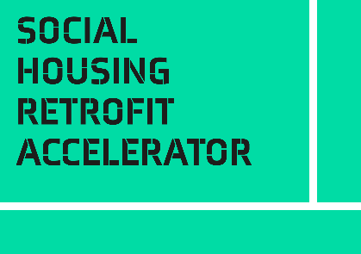
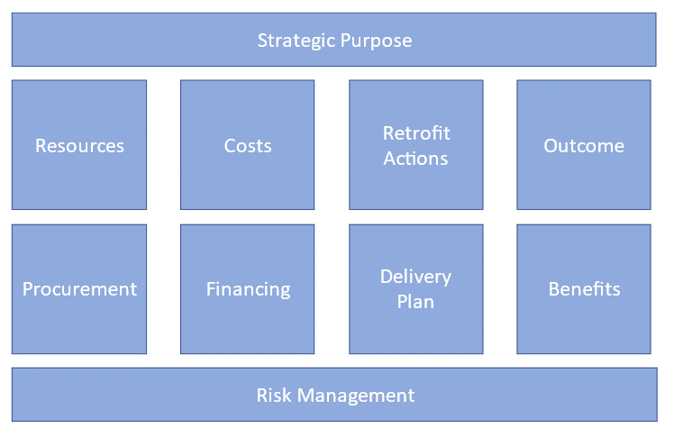
Introduction
This self-assessment questionnaire is part of the Business Case Toolkit.
A good business case is essential for a successful social housing retrofit project. There are always important but competing demands for limited financial and staff resources. Your business case explains why your project should be preferred to the other options available to decision-makers.
The Business Case Toolkit helps you to define the important features of the project and provide key information to decision makers:
• what your project will deliver
• why it is important to your organisation
• how you will deliver the project
The toolkit is based on a framework that pulls together the information needed for a good business case (shown below).
This self-assessment questionnaire helps you understand what stage you have reached in developing your business case. Where you are strong, where you are weak, and where you have gaps that you should fill.
There is one question for each of the ten elements that you score from 0 - 5.
Recommended use:
• Read the Introduction and Framework sections of the Business Case toolkit to understand each of the blocks in the framework
• Review your readiness in each block, scoring yourself 0-5 for each question
• For each question, example descriptions are given for low (0-1), medium (2-3), and high (4-5) readiness. Use these as markers to estimate where you are in your journey
• If you think you are at medium readiness/completeness, but weak and edging towards low, score yourself 2. If edging towards high, score yourself 3. And so on
• These are not absolute scores, you are looking for relative strengths and weaknesses. The example descriptions are there as a guide, not a checklist
• Your answers will be displayed on the radar diagram to the right on the next tab. The pattern will guide you to areas that need attention
• Your readiness in some areas will depend on how well you have developed the business case. For example, it is hard to score high in understanding the costs until you have decided the retrofit actions. Most of the ‘How?’ questions depend on ‘What?’ you plan to do. Your self-assessment will evolve over time and you can repeat the questionnaire to monitor progress.

Business Case Self-Assessment
Business Case Self-Assessment
 |  | Level Descriptions
Framework Section | Input your score 0-5 | Low: 0-1 | Medium: 2-3 | High: 4-5
 | (overwrite example data with your score)
Self-Assessment Results
Strategic Purpose | 1 | Project has not been tested against organisational goals, or organisational goals not known. | Organisational goals identified. Preliminary mapping to these goals underway. Strategic purpose not yet finalised or agreed. | Programme clearly supports organisational goals. Links identified and agreed with leadership. Project approved as a strategic priority.
Outcome | 4 | No clear statement of target outcome | Desired outcome identified and under discussion in the organisation. | A simple, clear statement of the desired outcome agreed with leadership.
Benefits | 3 | Potential benefits not collected or valued | An initial scan of potential benefits complete. Some work on who benefits and what the value might be. More work required to build a complete picture of direct and indirect benefits and their potential value | A clear picture of the benefits, both direct and indirect. Clarity on who benefits, and an economic value assigned to the most important benefits.
Retrofit Actions | 4 | Retrofit actions for target properties not defined | Target properties identified and retrofit actions proposed. Currently testing for feasibility and impact. Sufficient information for a preliminary costing and prediction of performance after retrofit. | List of properties for retrofit finalised and agreed. Best retrofit plan identified for each property. Performance impact of retrofit plan modelled in detail.
Delivery Plan | 3 | Retrofit actions not converted to a delivery plan | Draft delivery plan developed that can be used to test viability and to identify areas for further work on: • Retrofit actions • Costs • Resources | A detailed delivery plan that meets project targets within known constraints (e.g. time, cost and resource). Agreed with leadership.
Costs | 2 | Retrofit actions not costed | Preliminary costs obtained using evidence from experience or a database of typical costs. | Planned retrofit action fully costed. Costing supported by evidence from suppliers.
Financing | 1 | No clarity on where the funds for the programme will come from | Financing needs and strategy agreed. Active negotiations to provide funding underway. | Guaranteed financing in place.
Resources | 2 | Internal and external resources required to deliver the plan not defined | Required resources identified. Gaps in resource identified but plans to bridge gaps not yet in place. | All resources required for delivery plan identified and agreed. Plans in place to acquire additional resources where needed.
Procurement | 1 | Approach to procurement not yet selected | Preferred procurement strategies identified and under discussion. | Procurement strategy agreed. Procurement process underway.
Risk Management | 2 | Approach to risk management not yet agreed. No risk register | Risk management process agreed. Initial scan of risks carried out. Mitigation plans in development. | Clear risk management process in place. Risk register with prioritised list of main risks and mitigation plans in place. Every risk and mitigation plan has a named owner. Risk register reviewed and updated regularly.

Actions to take

Low | Read sections 3 and the additional resources where your current position is weak. Take all the actions you can to fill in the gaps. Try to bring your position at least up to medium in all areas to help develop your business case.
Medium | This may be OK for now. You won't have all the details from the beginning of the process. Ask yourself, am I waiting for further information from another part of the business case, or are other decision waiting on information here? Focus on those blocks where improving your answers will have the biggest impact on the quality of your business case story.
High | You are on top of things. No immediate action required, but continue to monitor for changes and impacts from other elements of the framework

